SFC Indication Form
` |  |  |  |  | Institute of Singapore Chartered Accountants
 |  |  |  |  | 60 Cecil Street
 |  |  |  |  | ISCA House
 |  |  |  |  | Singapore 049709
 |  |  |  |  | Tel: 6597 5533
 |  |  |  |  | Email: qualifications@isca.org.sg
SkillsFuture Credit (SFC) Indication Form
Instructions
1 | Please complete this form before proceeding to make payment for the module fee(s) via the ISCA PQ Portal. All cells in grey are to be duly completed.
2 | You are required to upload a screenshot of the SFC account balance together with this completed form for EACH module enrolment on the PQ Portal for ISCA's verification.

3 | You are required to pay the Nett Fee (less the SFC Amount) at the point of module enrolment on the PQ Portal. Please ensure you have entered the correct funding amount (See Section C) on the payment summary page.

4 | Please note that this form is an indication to use your SFC for ISCA's verification purpose and not the actual claim submission to SSG.
5 | Please ensure you have read through and understand Section D on the Terms and Conditions for SFC eligible courses.

SECTION A: PERSONAL PARTICULARS
Name of Candidate (In Identity Card) |  |  |  | Date of Birth (dd/mm/yyyyy)
NRIC/FIN (last 3 digit + alphabet) |  |  |  | Email
ID Type |  |  |  | Contact Number
SECTION B: MODULE SELECTION (WITH SkillsFuture Credit)
(i) | Please select the module(s) which you would like to apply your SkillsFuture Credit (SFC) on:
 |  |  |  | Course Reference No.
 |  | M1 Forensic Accounting and Investigation |  | TGS-2021004138
 |  | M2 Digital Forensics |  | TGS-2021004139
 |  | M3 Financial Crime |  | TGS-2021004134
(ii) | Enter the SFC amount which you would like to apply for the respective module(s) in the Grey box.
1 | M1 Forensic Accounting and Investigation
 | Workshop Fee |  | S$ 0.00
 | Exam Fee |  | S$ 0.00
 | GST |  | S$ 0.00
 | SkillsFuture Credit (SFC) Amount
 | Total Nett Fees Payable |  | S$ 0.00
2 | M2 Digital Forensics
 | Workshop Fee |  | S$ 0.00
 | Exam Fee |  | S$ 0.00
 | GST |  | S$ 0.00
 | SkillsFuture Credit (SFC) Amount
 | Total Nett Fees Payable |  | S$ 0.00
3 | M3 Financial Crime
 | Workshop Fee |  | S$ 0.00
 | Exam Fee |  | S$ 0.00
 | GST |  | S$ 0.00
 | SkillsFuture Credit (SFC) Amount
 | Total Nett Fees Payable |  | $0.00
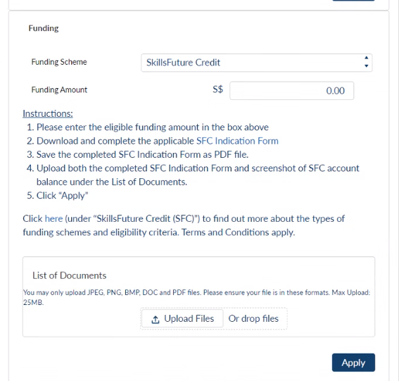
SECTION C: SUMMARY
1 | IMPORTANT: When you have reached the payment page on Portal, please input the "SFC Amount" under Funding Section to calculate the Nett Fee payment.
2 | You are required to upload a screenshot of your SFC account balance together with this completed form for EACH module enrolment.
 |  |  | SFC Amount | Nett Fee Payable
 | M1 Forensic Accounting and Investigation |  | S$ 0.00 | S$ 0.00
 | M2 Digital Forensics |  | S$ 0.00 | S$ 0.00
 | M3 Financial Crime |  | S$ 0.00 | S$ 0.00
SECTION D: TERMS AND CONDITIONS FOR SKILLSFUTURE CREDIT (SFC) ELIGIBLE COURSES
1 | SkillsFuture Credit (SFC) is only applicable for self-sponsored individuals.
2 | Please note that this form is an indication to use your SFC for ISCA's verification purpose and not the actual claim submission to SSG.
3 | You are required to pay the Nett Fee (less the SFC Amount) at the point of module enrolment on the PQ Portal.
4 | Use of SFC is not applicable on application fee, candidate fee, re-sit examination fee and other miscellaneous fee.
5 | You are required to upload a screenshot of the SFC account balance together with this completed form for EACH module enrolment on the PQ Portal for ISCA's verification.
6 | You are required and responsible for submitting the claim via the MySkillsFuture Portal (https://www.myskillsfuture.gov.sg/) BEFORE the course start date. You may start to submit the claims as early as 60 days before the course start date.

7 | You are responsible to cancel any submitted SFC claims via the MySkillsFuture Portal BEFORE the course start date (due to your own withdrawal/deferment request reasons). You will not be able to submit any cancellation in MySkillsFuture Portal after the course start date and you would need to make an appeal to SSG directly which would be assessed by SSG accordingly.

8 | For avoidance of doubt, the SFC amount will still be drawn from your account by SSG to pay for the course even if you fail (for any reason) to attend the course and you have not cancelled your SFC claim with SSG.

9 | Failure to submit claim application and obtain necessary approval before the course start date will result in topping up of the SFC indicated for use.
10 | An administrative fee of S$42.80 will be charged if SSG does not approve your SFC claim application due to late submission and/or insufficient account in your SFC account.

11 | ISCA reserves the right to claw back the administrative fee or the indicated SFC amount in event if you did not meet the eligibility criteria for the SFC claim or the claim is unsuccessful.

SECTION E: DECLARATION
By submitting this form,
1. | I confirm that I have read and I agree to the ISCA’s Privacy and Data Protection Policy (https://isca.org.sg/privacy-and-data-protection-policy/) which sets out how my personal data will be collected, used, disclosed and processed by ISCA and the purposes of processing.

2. | I have read, understood and agreed to be bound by Section D: Terms and Conditions for SkillsFuture Credit (SFC) eligible courses.
3. | I hereby declare that all information and particulars provided in the form are true, complete, accurate and not misleading in any way.
Signature: |  |  |  | Date

